Lists
Drag down lists:
DAYS - Drag down one week
MONTHS - Drag down one year
DATES - Drag down two weeks
DAYS | MONTHS | DATE
Monday | January | 2017-02-27

Formula
 | ADD | SUBTRACT | MULTIPLY | DIVIDE

Use Formula to complete the following sums.
Answers in ROW 5 & 10 (highlighted row)
REMEMBER A formula always starts with an =
TO ADD - Use Autosum
 | 6789
 | 45678 | 9876 | 89523 | 87642
 | 678 | 345 | 56 | 8
ANSWERS

 | 564
 | 78634 | 8760 | 654 | 875
 | 5643 | 564 | 76 | 14
ANSWERS

Sort
DAYS | BOYS NAMES | GIRLS NAMES | MONTHS OF THE YEAR

Sort each of these columns into Alphabetical order A-Z
HINT Highlight required text
Go to HOME Ribbon Click on Sort A-Z icon
Continue with this selection
Monday | Michael | Joan | January
Tuesday | John | Sophie | February
Wednesday | Andrew | Claire | March
Thursday | David | Chloe | April
Friday | Luke | Laura | May
Saturday | Steven | Elaine | June
Sunday | Connor | Lorna | July
Monday | Colin | Karen | August
Tuesday | George | Margaret | September
Wednesday | Jimmy | Pamela | October
Thursday | Sean | Helen | November
Friday | Mark | Wendy | December
Saturday | Matthew | Jennifer | January
Sunday | Adam | Sandra | February

FORMAT
Add Colour to this table
Add borders round the table
Change the font to something different
Change the font size, making sure you can see all the text
Format the cells B2 to B10 to currency 2 decimal places
Add an image from clipart
SEE EXPECTED RESULT IN SHEET FORMAT RESULT
Countries | Value of Sales
United Kingdom | 20936
India | 18462
Pakistan | 12816
China | 29174
Canada | 21837
Australia | 32817
USA | 48174
New Zealand | 10194
Ireland | 29481

Number Formatting
FORMAT
HINT:
1. Home Tab
2. Click on cell to be formatted
3. Open Number format
Format this number to display no decimal places. | 194593.1235
Format this number to display 1 decimal place | 194594.12345
Format this number to display 2 decimal place | 194595.12345

Format this number to display comma's | 1945968573

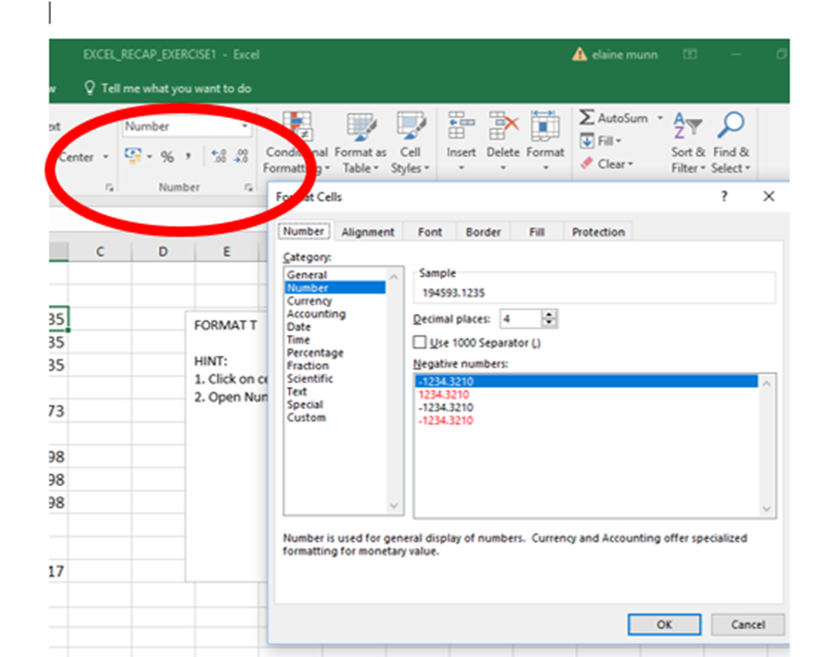
Format this number to display a UK pound sign | 234.98
Format this number to display a dollar sign | 234.98
Format this number to display a euro sign | 234.98

Format this number to display a percentage sign | 17

Landscape
Change this page from PORTRAIT to LANDSCAPE
Birthday Party
Decorations | £14.00
Food | £70.00
Invitations | £6.00
Hats | £8.00
Drink | £34.00
Party Bags | £15.00
Total Cost | £147.00

Formula View
Keyboard Shortcut Show Formula
Click on any empty cell
Hold down Ctrl Key and TOGGLE Key (funny key to the left of the 1)
 | ADD | SUBTRACT | MULTIPLY | DIVIDE

HINT:
1. Click on any empty cell
2. Formula Tab
3. Click on SHOW FORMULAS
 | 45678 | 9876 | 89523 | 87642
 | 678 | 345 | 56 | 8
ANSWERS | 46356 | 9531 | 5013288 | 10955.25

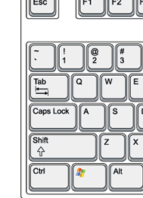
 | 78634 | 8760 | 654 | 875
 | 5643 | 564 | 76 | 14
ANSWERS | 84277 | 8196 | 49704 | 62.5

EMAIL
Save your work as RECAP EXERCISE
Email the exercise
TO elaine.munn@aol.com
SUBJECT : RECAP EXERCISE
MESSAGE
Hi Elaine
Attached is the RECAP EXERCISE I did in class today.
SIGNED
YOUR NAME

